At a glance
At a glance
Projection versus reality across 50 launches, 2020–2025

Of the launches old enough to judge, a third missed outright
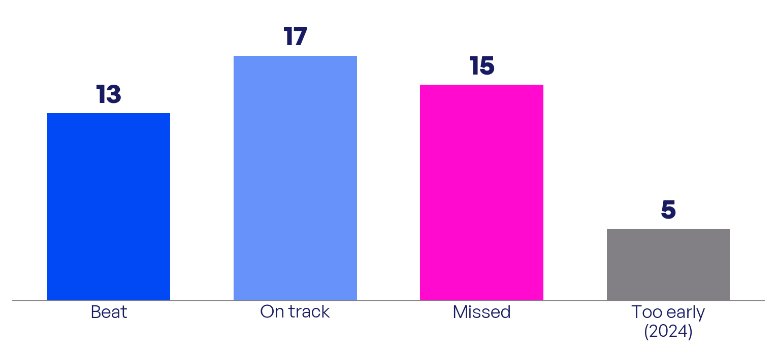

50 launches by outcome: 13 beat their forecast, 17 are tracking in line, 15 missed, 5 (all 2024) are too early.
Source: Fractal Force Launch Reality analysis, June 2026. Company filings and dated analyst projections.

Plot forecast against result, and most launches sit below the line
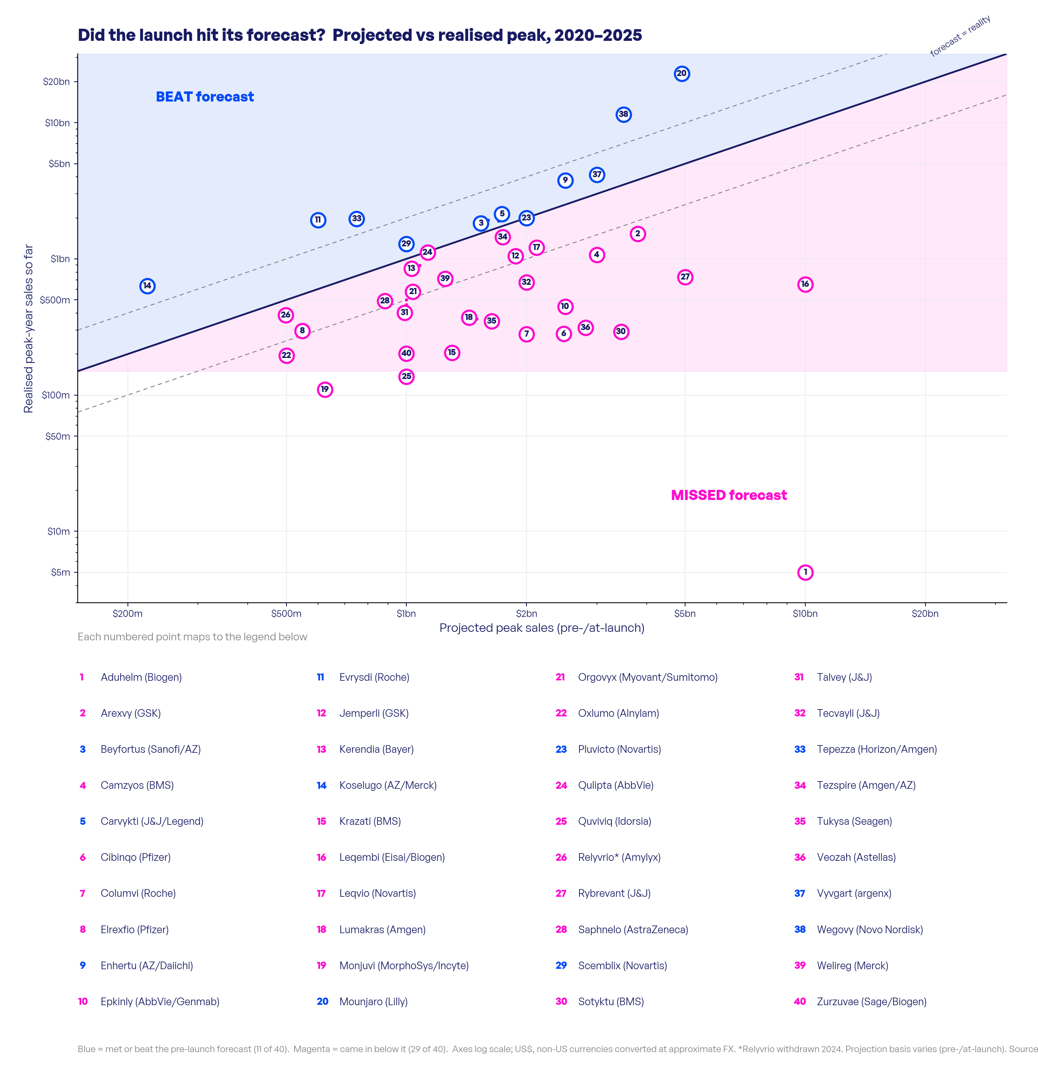

Projected peak vs realised peak-year sales (log scale). 29 of 40 came in below their projected peak; only 11 reached it.
Source: Fractal Force Launch Reality analysis, June 2026. Company filings and dated analyst projections.

Of the fifteen clear misses, only two were the molecule itself
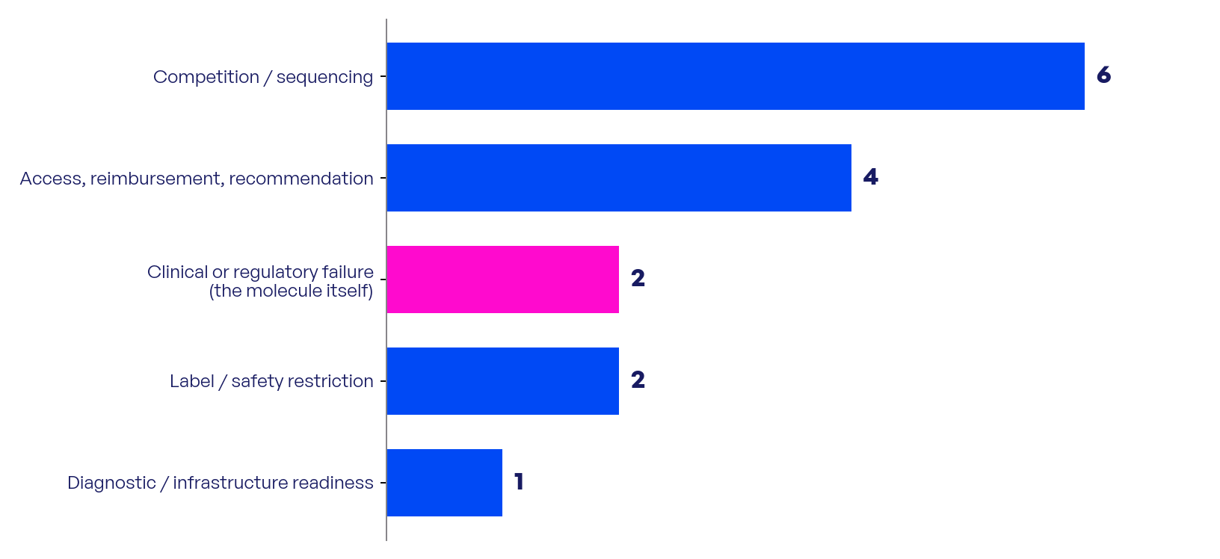

Thirteen of fifteen came down to execution and foundations, not the science.
Source: Fractal Force Launch Reality analysis, June 2026. Company filings and dated analyst projections.

The trajectory locks in early: fast starters pull away, slow ones stay flat
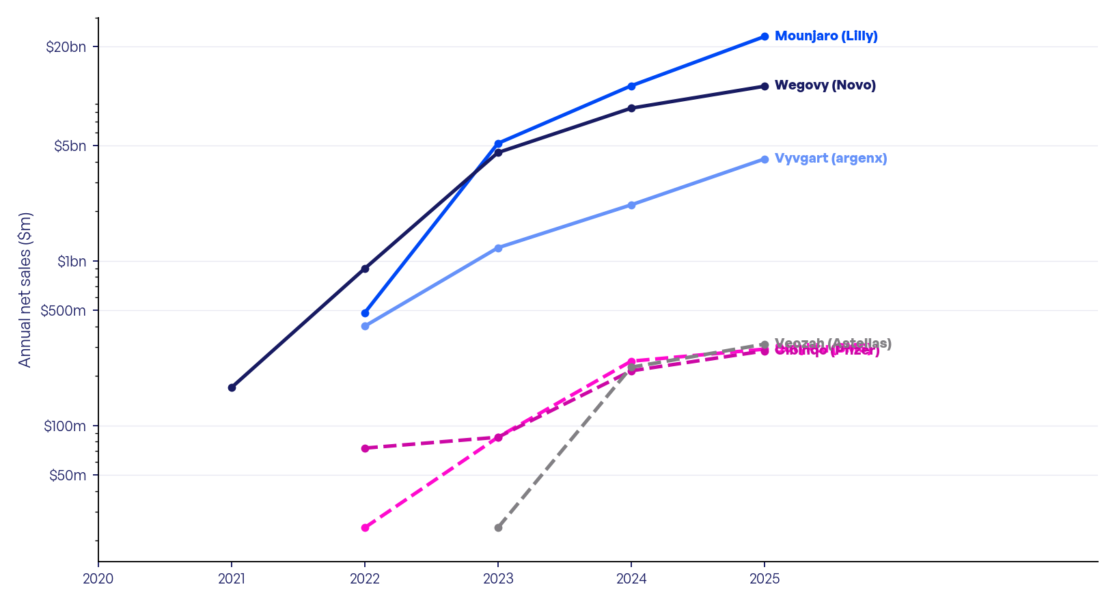

The first six months on market usually set the path for years. The slow starters never caught up.
Source: Fractal Force Launch Reality analysis, June 2026. Company filings and dated analyst projections.

